Front
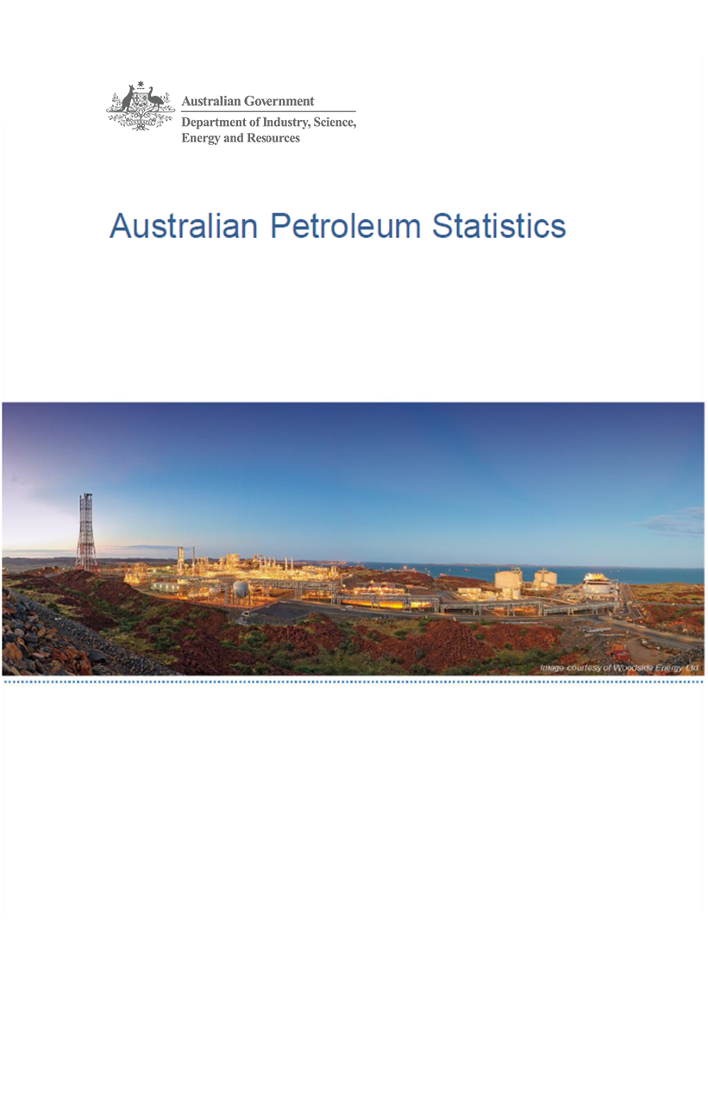

Issue 297, April 2021

https://www.energy.gov.au/government-priorities/energy-data/australian-petroleum-statistics

Figure 8B
Australian Petroleum Statistics

Figure 8B. Comparison of retail fuel prices and taxes in OECD countries - December Quarter 2020

Premium unleaded petrol
 | Price ex. tax | Total tax
United States | 72 | 21
Turkey | 59 | 62
Canada | 80 | 47
Chile | 65 | 68
Australia | 84 | 55
Slovenia | 60 | 101
Poland | 71 | 91
Hungary | 71 | 94
Czech Republic | 62 | 108
Austria | 64 | 109
Luxembourg | 71 | 103
Lithuania | 70 | 106
Latvia | 67 | 117
Spain | 78 | 111
New Zealand | 92 | 101
Slovak Republic | 78 | 116
Korea | 84 | 114
Estonia | 75 | 126
United Kingdom | 65 | 139
Ireland | 65 | 140
Germany | 72 | 135
Switzerland | 83 | 129
Norway | 75 | 139
France | 70 | 148
Belgium | 85 | 135
Sweden | 71 | 151
Portugal | 75 | 152
Italy | 68 | 160
Israel | 70 | 159
Finland | 64 | 168
Greece | 72 | 160
Denmark | 88 | 149
Netherlands | 82 | 171
Regular unleaded petrol
 | Price ex. tax | Total tax
United States | 57 | 21
Canada | 65 | 45
Australia | 70 | 53
Chile | 63 | 66
Korea | 58 | 106
Austria | 64 | 109
Japan | 85 | 90
New Zealand | 76 | 99
Automotive diesel
 | Price ex. tax | Total tax
Chile | 58 | 27
United States | 67 | 22
New Zealand | 89 | 18
Canada | 68 | 40
Turkey | 58 | 53
Australia | 64 | 53
Korea | 63 | 77
Japan | 94 | 56
Luxembourg | 75 | 80
Lithuania | 69 | 88
Poland | 76 | 83
Estonia | 72 | 88
Latvia | 65 | 98
Austria | 72 | 93
Slovenia | 60 | 106
Czech Republic | 71 | 96
Hungary | 77 | 92
Spain | 79 | 91
Slovak Republic | 82 | 88
Germany | 77 | 101
Greece | 83 | 103
Ireland | 68 | 121
Denmark | 84 | 109
Netherlands | 82 | 114
Portugal | 78 | 121
France | 67 | 132
Norway | 82 | 117
Finland | 68 | 137
Italy | 68 | 139
United Kingdom | 72 | 141
Sweden | 101 | 119
Belgium | 85 | 137
Switzerland | 92 | 135
Israel | 84 | 155
Automotive LPG
 | Price ex. tax | Total tax
Australia | 49 | 20
Slovak Republic | 44 | 26
Czech Republic | 50 | 26
Luxembourg | 62 | 15
Poland | 45 | 32
Belgium | 67 | 15
Lithuania | 44 | 41
Latvia | 44 | 42
Canada | 75 | 17
Germany | 65 | 28
Slovenia | 57 | 36
Korea | 59 | 36
Turkey | 67 | 30
Italy | 56 | 42
Estonia | 52 | 47
Netherlands | 54 | 47
Portugal | 58 | 46
Hungary | 69 | 38
Spain | 85 | 24
Japan | 90 | 23
France | 95 | 42

